TEST ID
 |  | Original Testing & Learning
Test ID# | [EtOH] | Solutes | [Solutes] | Chromatogram File Name | Sample Vessel | Chromatogram Notes | Total Runtime (min) | Oven Initial (oC) | Oven Ramp (oC/min) | Oven Final (oC) | Hold Time (min) | Injection Volume | Syringe Air Bubble? | Syringe Left in inlet? | Heater Temp (oC) | Inlet | Flow Rates Internal Guages | Gas | FID Temp
1 | 66% | Iso E Super | 33% | TEST ID 1 | - | All peaks eluted quite quickly, 4 strong similar peaks between 0.5 and 0.7 minutes | 5~ | 30 | 20 | 200 | 0 | 2 uL | no | yes | 200 | Splitless | Default | He | 300
2 | 66% | Iso E Super | 33% | TEST ID 2 | A | Replicate of TEST ID 1 | 5~ | 30 | 20 | 200 | 0 | 2 uL | no | yes | 200 | Split | Default | He | 300
3 | 66% | Iso E Super | 33% | TEST ID 3 | A | Replicate of TEST ID 2 | 6~ | 30 | 20 | 200 | 0 | 2 uL | no | yes | 200 | Split | Default | He | 300
4 | 66% | Iso E Super | 33% | TEST ID 4 | B | Large elutions at 5-8.5 min range | 8.5 | 30 | 20 | 200 | 0 | 2 uL | no | yes | 200 | Split | Default | He | 300
5 | 66% | Iso E Super | 33% | TEST ID 5 | B | Large elutions at 5-8.5 min range; detector not finished. Excess solute remains in column? | 8.5 | 30 | 20 | 200 | 0 | 2 uL | no | yes | 200 | Split | Default | He | 300
6 | 66% | Iso E Super | 33% | TEST ID 6 | B | Large elutions at 7-11 min; detector seemed to finish. No excess after 12 minutes. No elution from 12-18 min | 18.5 | 30 | 20 | 200 | 10 | 2 uL | no | yes | 200 | Split | Default | He | 300
7 | 66% | Iso E Super | 33% | TEST ID 7 | B | Replicate of Test ID 6 | 18.5 | 30 | 20 | 200 | 10 | 2 uL | no | no | 200 | Split | Default | He | 300
8 | 66% | Iso E Super | 33% | TEST ID 8 | B | Replicate of Test ID 6 | 18.5 | 30 | 20 | 200 | 10 | 2 uL | no | no | 200 | Split | Default | He | 300
9 | 100% | N/A | 0% | TEST ID 9 | C | EtOH control; consistent with past methods using EtOH solvent. No contamination peaks @10 min | 11.5 | 30 | 20 | 200 | 3 | 2 uL | no | no | 200 | Split | Default | He | 300
10 | 66% | Iso E Super | 33% | TEST ID 10 | D | ISO E peaks @ ~5 min. Peaks have approx same shape as previous. Nothing eluting after 6.1 min | 15 | 150 | 10 | 200 | 10 | 2 uL | no | no | 200 | Split | Default | He | 300
11 | 66% | Iso E Super | 33% | TEST ID 11 | D | ISO E peaks @~5 min. Peaks have approx same shape as previous. Nothing eluting after 5.8 min | 9 | 170 | 5 | 200 | 3 | 2 uL | no | no | 200 | Split | Default | He | 300
12 | 66% | Iso E Super | 33% | TEST ID 12 | D | ISO E peaks @ ~2 min. Peaks have approx same shape as previous. Nothing eluting after 2.35 min | 5 | 200 | 20 | 300 | 0 | 2 uL | no | no | 200 | Split | Default | He | 300
13 | 66% | Iso E Super | 33% | TEST ID 13 | D | ISO E peaks @ ~1.3 min. There is noticeablely less resolution between peaks. 3 peaks typical of EtOH are now 2 | 5 | 250 | 0 | 250 | 5 | 2 uL | no | no | 200 | Split | Default | He | 300
14 | 66% | Iso E Super | 33% | TEST ID 14 | D | ISO E peak @ ~0.95min. There is now only a single broad ISO E Peak. 3 peaks typical of EtOH are now 1 | 5 | 300 | 0 | 300 | 5 | 2 uL | no | no | 200 | Split | Default | He | 300
15 | 66% | Iso E Super | 33% | TEST ID 15 | D | ISO E peak @ ~2.8 min. Multiple peaks again. No extra resolution gained by slow ramp | 10 | 205 | 1 | 215 | 0 | 2 uL | no | no | 200 | Split | Default | He | 300
16 | 66% | Iso E Super | 33% | TEST ID 16 | D | ISO E peak @ ~4.9 min. Multiple peaks again. No extra resolution gained by slow ramp | 20 | 180 | 1 | 200 | 0 | 2 uL | no | no | 200 | Split | Default | He | 300

New System Configuration
1 | Column replaced. New HP1 polysiloxane column installed.
2 | New ferrules (no need to pre-shrink graphite vespel ferrules)
3 | New FID jet
4 | New inlet liner & O-Ring (Inlet liner OPEN side is up. Capillary goose neck is down. Column is positioned nested in this goose neck so prevent any unswept volume in liner)
5 | New Septa (divot side UP)
6 | Discovered GC 6890 does not come with EPC;
7 | Head pressure adjusted
8 | Split flow adjusted (measured using bubble film flow meter or digital flow meter articulated with fitting; if necessary, use suage lock nut and 1/8 in copper tube from gas filter cartridge)
9 | Bevel-tip syringe used to avoid coring of septa
10 | Septa switched out every 10-15 injections to help avoid coring and leak
11 | Methanol check reference ran daily (6 runs at 40 degrees, check RSD of peak area and retention time; within arbitrary tolerance? good) to assess for degrading conditions
12 | Inlet liner volume is now assessed for proper injection volume to prevent backflash and ghostpeaks.
13 | Proper split ratio is chosen to prevent peak fronting.
14 | Proper mass of sample is chosen to not overload column (prevents peak fronting and prevents column degradation, need for column bakeout)
15 | For sample concentrations, target is <500 ppm. Adjust split ratio if necessary, but in general. keep concentrations in the 1 - 500 ppm range for optimal peak shape and column health
16 | Septum purge flow should always be around 3 ml/min
17 | Column flow / split flow = split ratio; column flow can be calculated using Restek EZGC calculator (or EPC on newer GC).
18

 | SPLIT RATIO ADJUSTMENT
Adjusting Split Flow to cure peak fronting (Column = HP1; Run Time = 1 min; Isothermal; Inlet Liner Volume = 450)
 | Split Flow Level |  | Retention Time (s) | Head Pressure (psig) | Injection Volume | Results | Calculated Linear Velocity He flow (cm/s) | Good Injection Technique? | Error? | Backflash Risk per Reztek inlet liner vol. calc? | Oven Temp | Inlet Temp
1 | Baseline (unknown mL/min) |  | 0.659 | ~11.5 | 1 uL | Peak fronting, mild tailing | 37.94 | late, no bubble | - | Yes vapor cloud = ~500 | 40 | 200
2 | Baseline + 0.5 turn increase |  | 0.667 | ~11.5 | 1 uL | Peak fronting, co-eluting peak, less tailing than run 1 | 37.48 | Little late, bubble | - | Yes vapor cloud = ~500 | 40 | 200
3 | Baseline + 1.0 turn increase |  | 0.667 | ~11.5 | 1 uL | Peak fronting, less tailing than run 2 | 37.48 | bubble, septum hard | - | Yes vapor cloud = ~500 | 40 | 200
4 | Baseline + 1.0 turn increase |  | 0.661 | ~11.5 | 1 uL | Peak fronting, same mild tailing | 37.82 | bubble | Yes, same split flow as 3 | Yes vapor cloud = ~500 | 40 | 200
5 | Baseline + 1.5 turn increase |  | 0.661 | ~11.5 | 1 uL | Peak fronting, tailing | 37.82 | bubble | - | Yes vapor cloud = ~500 | 40 | 200
6 | Baseline + ~1.9 turn (Max) |  | 0.661 | ~11.5 | 1 uL | Peak fronting, tailing | 37.82 | bubble | - | Yes vapor cloud = ~500 | 40 | 200
7 | Baseline - 0.5 turn decrease |  | 0.675 | ~11.5 | 1 uL | Large Peak fronting, tailing | 37.04 | no bubble | - | Yes vapor cloud = ~500 | 40 | 200
8 | Baseline - 1.0 turn decrease |  | 0.667 | ~11.5 | 1 uL | Large Peak fronting, tailing | 37.48 | bubble | - | Yes vapor cloud = ~500 | 40 | 200
9 | Baseline + 1.0 turn increase |  | 0.624 | ~11.5 | 1 uL | No Peak fronting, pronounced tailing | 40.06 | bubble | - | Yes vapor cloud = ~500 | 70 | 200
10 | Baseline + 1.0 turn increase |  | 0.639 | ~11.5 | 0.1 uL (H2O dilutant) | No Peak fronting, excessive tailing | 39.12 | bubble | - | vapor cloud 1,200! | 70 | 90

CALCULATIONS USING BUBBLE FLOW METER
 |  |  | Baseline split flow = 512 mL / min |  | 50 mL flow in 5.85 seconds (RSD <0.01) |  | Based on original Chromatograms, holdup time was usually about .5 seconds. So column flow was about 50 cm / s or about 2 mL/min. So original split ratio was about 250:1 | Original injections of Sample mixture was about 0.66 uL of Iso E Super or 2 million ng into liner. Split ratio cut this down to 8,000 ng which is more than 80 times the column sample loading capacity.
 |  |  |  |  |  |  | Original split ratio
 |  |  | Using methanol check standard and Reztek Flow Calculator, He flow rate is approximately 1.38 mL /min
 |  |  | So, split ratio is |  |  |  | Set split ratio to 1:100

 |  |  | Septum purge flow was set to 3mL / min to avoid septum plasticizer contamination

 |  |  |  |  |  | Split flow = 141.8 mL / min
 |  |  |  |  |  | Column Flow =

SPLIT FLOW CALC: |  |  | SEPTUM PURGE FLOW CALC:
Rep 1 | 19.97 s |  | Rep 1 | 15.47 s | Rep 1 | 17.88
Rep 2 | 20.62 |  | Rep 2 | 15.78 | Rep 2 | 17.09
Rep 3 | 20.35 |  | Rep 3 | 15.84 | Rep 3 | 17.62
Rep 4 | 20.44 |  | Rep 4 | 15.84 | Rep 4 | 18.69
Rep 5 | 20.46 |  | Rep 5 | 15.91 | Rep 5 | 17.05
Rep 6 | 20.43

Avg | 22.25 |  | Avg | 15.87 |  | Avg - 17.7
Split Flow | 135 |  | Flow | ~ 3 mL |  | Flow = ~ 3 mL

Column Flow
1.3

SPLIT RATIO
104

 |  |  | FINAL RESULT
Split ratio conditions conditions for this TEST ID are described above in "Calculations using Bubble Film Flow Meter"
Test ID# | [EtOH] | Solutes | [Solutes] | Chromatogram File Name | Sample Vessel | Chromatogram Notes | Total Runtime (min) | Oven Initial (oC) | Oven Ramp (oC/min) | Oven Final (oC) | Hold Time (min) | Injection Volume | Syringe Air Bubble? | Syringe Left in inlet? | Heater Temp (oC) | Inlet | Flow Rates Internal Guages | Gas | FID Temp
FINAL RESULT | Conc. | Iso E Super | Heavily diluted | FINAL RESULT | - | Much better peak shape, resolvable peaks | 5 | 200 | 20 | 300 | 0 | 2 uL | no | no | 200 | Split | Default | He | 300

"Urea Sample EtOH"
 |  |  | UREA TESTING
Urea Testing
 | 1 | Sample Weight | Ethanol weight | % Weight | Density Ethanol | mL Ethanol | concentration (g / mL) | concentration (ng / uL)
 | 2 | 0.106 g | 17.025 g | 0.623% | 0.789 g / mL | 21.58 mL | 0.004912 | 4912
 | 3
"Urea Sample H2O"
 | 4 | Sample Weight | Water Weight | % Weight | Density Water | mL Water | concentration (g / mL) | concentration (ng / uL)
 | 5 | 0.115 | 20.305 g | 0.566% | 0.997 g/ mL | 20.24 mL | 0.005682 | 5682
 | 6
 | 7 | MCR DEC 15 | Bubble Film (50 mL) | Split Flow | Split Ratio
 | 8 | column flow = 1.28 mL/min | 22.06 s | 136.1 mL / min | 1 to 106
 | 9 | Linear Velocity = 35.8 cm/s | 22.03 s |  |  | Urea Notes: (1) Thermal Decomposition of Urea can occur before boiling? ("Thermal Decomposition (pyrolysis) of urea in an open reaction Vessel" Schaber et. Al 2004) (2) Urea boiling point is 165 (chemspider.com) (3) "Thermodynamics and reaction mechanism of urea decomposition" (Tischer et. al 2019) says that urea decomposes
 | 10 |  | 22.03 s
 | 11 |  | AVG = 22.04 s
 | 12
 | 13 | Introduce 1 uL of "Urea Sample EtOH" is equivalent to ~50 ng of urea. This is on target for sample loading capacity of my HP-1 column.
 | 14
 | 15
 | 16
 | 17 | Introduce 1 uL of "Urea Sample Water" is equivalent to ~50 ng of urea. This is on target for sample loading capacity of my HP-1 column.
 | 18
 | 19
 | 20
 | 21 | Test ID# | Oven Ramp (oC/min) | Total Runtime (min) | Oven Initial (oC) | Chromatogram Notes | Oven Final (oC) | Hold Time (min) | Injection Volume | Syringe Air Bubble? | Heater Temp (oC) | Inlet | Split Ratio | Gas | FID TEMP
 | 22 | A | 10 | 5 | 150 | Two very small peaks plus one chunky plateau peak. Urea thermal decomposition. Hard to qualify much. Derivtization needed. | 250 | - | 1 uL | yes | 250 | Split | 1 to 106 | He | 300
 | 23
 |  |  | DILUTE ACQUA DI GIO TESTING

 | 1 | Sample is Acqua Di Gio commercial cologne but diluted by 100 in 95% ethanol for all Test IDs

 |  | Test ID# | Oven Ramp (oC/min) | Total Runtime (min) | Oven Initial (oC) | Chromatogram Notes | Oven Final (oC) | Hold Time (min) | Injection Volume | Syringe Air Bubble? | Heater Temp (oC) | Inlet | Split Ratio | Gas | FID TEMP
 |  | A | 80 | 9.25 | 40 | A few dozen peaks only 0.5-1.5 picoamps above baseline. Several peaks 5-10 picoamps above baseline. Several peaks 50-200 picoamps above baseline. Some co-eluting peaks. | 300 | - | 1 uL | yes | 88 (10 degrees above ethanol) | Split | ~100 | He | 300
 | 2
 | 3
 | 4 | Note: after injecting dilute sample with inlet set at 88 degrees C, confirmed with Agilent customer service that this is likely to leave large amount of sample stuck on glass wool and not enter column. Thus, chose to elevate inlet temperature to 250 and set oven temperature to 300 and "bake out" column and inlet to remove any remaining sample from inlet. "Bake out" began at minute 39 of online session and ended at minute 49. See "Inlet Bake out" chromatogram for peaks related to this. There were very few surprisingly. Vapor pressure + time + purge caused the sample to leave the inlet even though it was only 88 degrees C?
 | 5
 | 6
 | 7
 | 8
 | 9 | Test ID# | Oven Ramp (oC/min) | Total Runtime (min) | Oven Initial (oC) | Chromatogram Notes / TEST ID Notes | Oven Final (oC) | Hold Time (min) | Injection Volume | Syringe Air Bubble? | Heater Temp (oC) | Inlet | Split Ratio | Gas | FID TEMP
 | 10 | B | 80 | 7 | 300 | No small peaks only 0.5-1.5 picoamps above baseline. Only several peaks total in first 2 min. Some peaks clear and separate, many co-eluting. Minor constituents totally lost. | 300 | - | 1 uL | yes | 250 | Split | ~100 | He | 300
 |  | C | 80 | 7 | 40 | Test ID C is identical to A except that inlet temperature is set to 250 instead of 88 C. | 300 | - | 1 uL | yes | 250 | Split | ~100 | He | 300

Chromatograms
ORIGINAL TESTING AND LEARNING
TEST ID
1

2

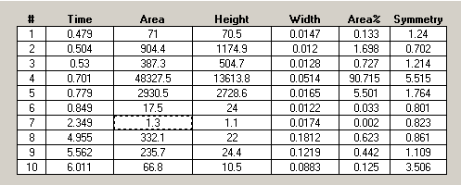
0-1 min

3

0-1 min

4

Overview

0-1min

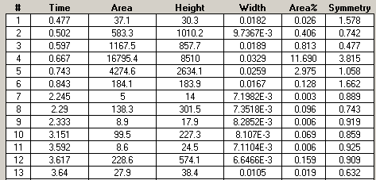

2-4 min

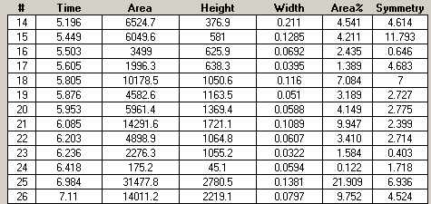

5-8.5 min

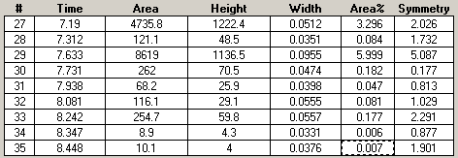

5
Overview

0-1 Min

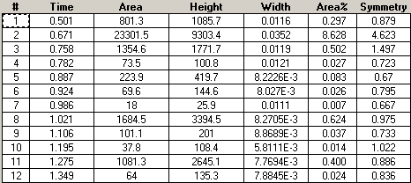

1 - 2 Min

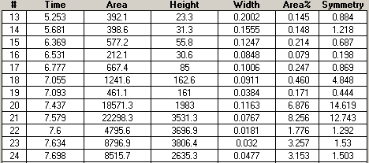

5-8.5 min

6
Overview

0-1 Min

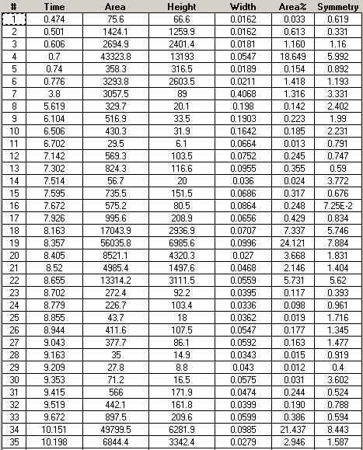

7-11 min

7
Overview

0-1 min

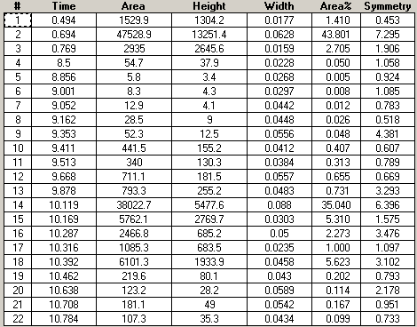

9-11 min

8
Overview

0-1 min

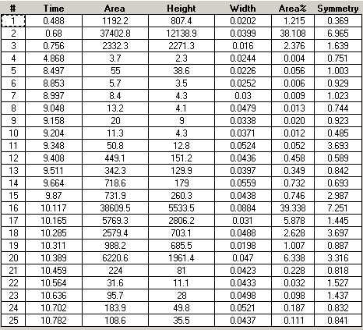

9-11 min

9
Overview

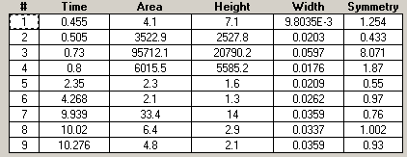

0-1 min

10
Overview

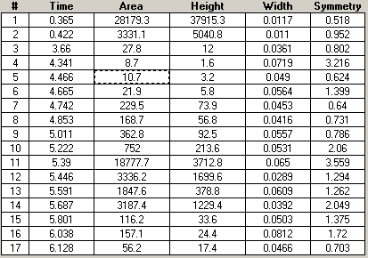

4.5 - 6 Min

11
Overview

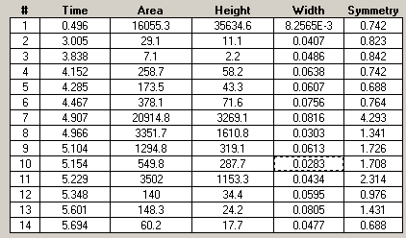

4-5.5 Min

12
Overview

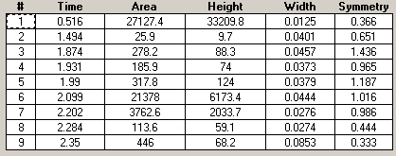

1.7-2.5 min

13
Overview

0.3-0.6 Min

1-1.5 min

14
Overview

0.5-0.7 min

0.7-1.1 min

15
Overview

0.2 - 1 min

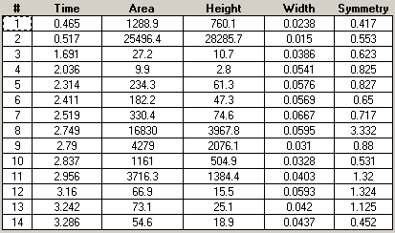

2.2 - 3.2 min

16
Overview

0.3-0.8 min

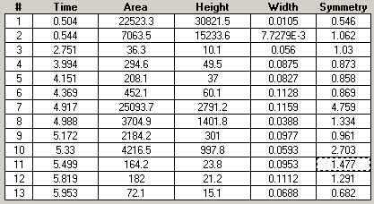

3.8 - 5.8 min

SPLIT RATIO ADJUSTMENT

1

2

3

4

5

6

7

8

9

10

CALCULATIONS USING BUBBLE FLOW METER
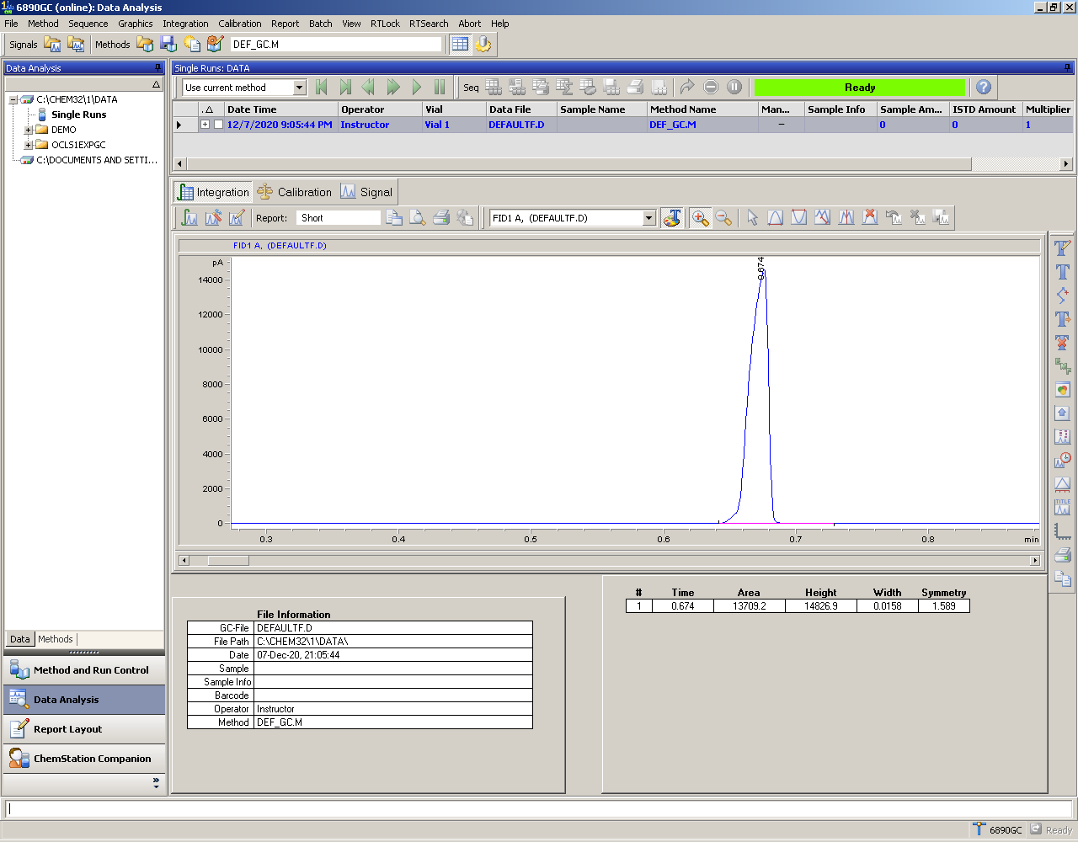
MCR

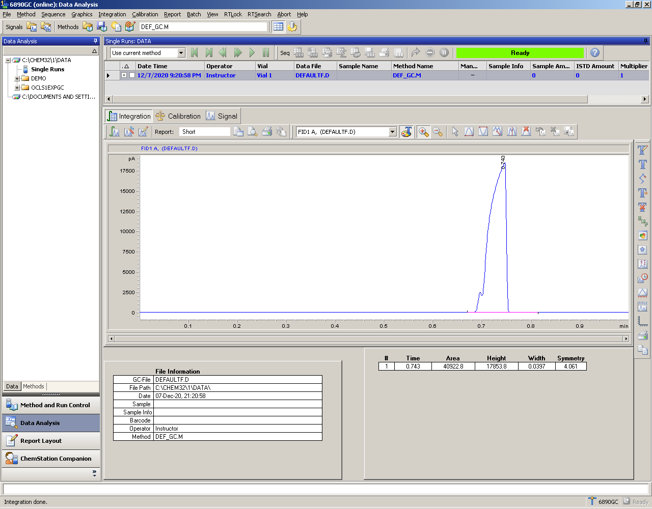
MCR


MCR


MCR


MCR
40.4

Linear Vel
37.1

Flow
1.34

 | 37.1 | 1.34
 | 37.2 | 1.34
 | 35.7 | 1.28
 | 35.5 | 1.27


MCR
40.3

Linear Vel
37.2

Flow
1.34

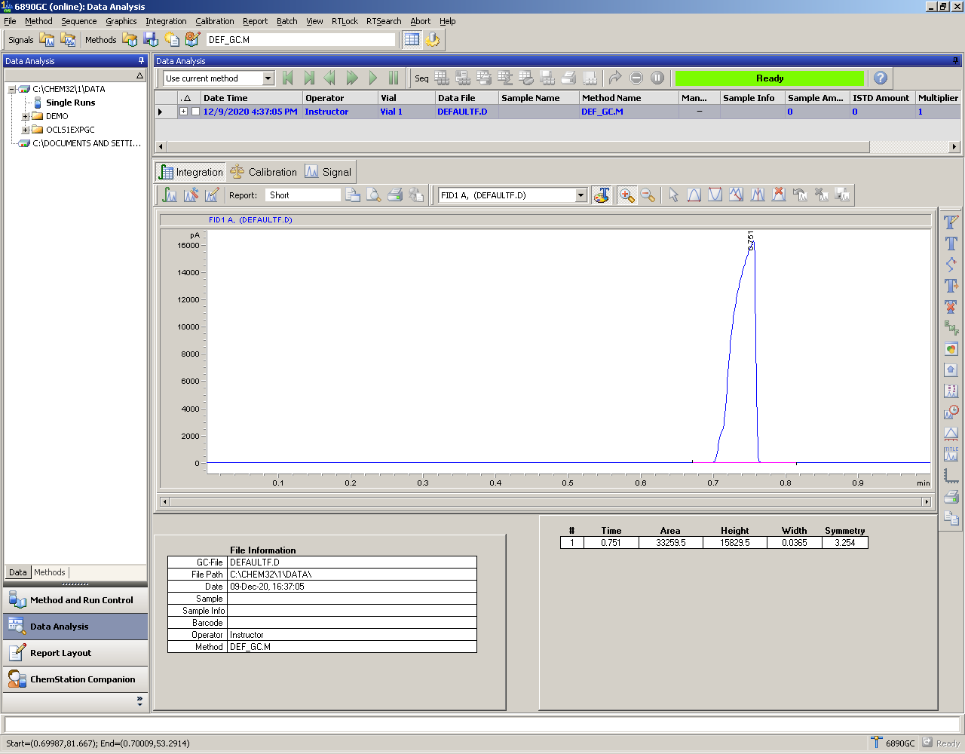
MCR
42

Linear Vel
35.7

Flow
1.28

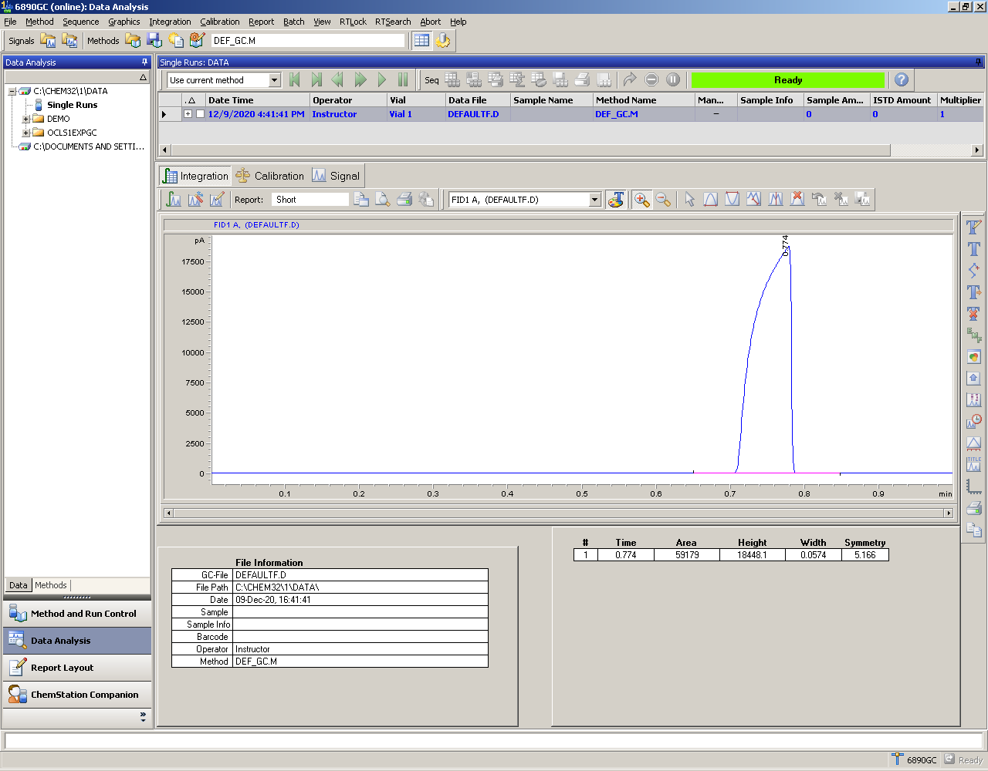
MCR
42.3

Linear Vel
35.5

Flow
1.27

FINAL
RESULT

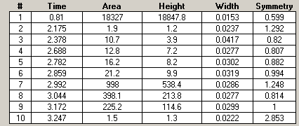

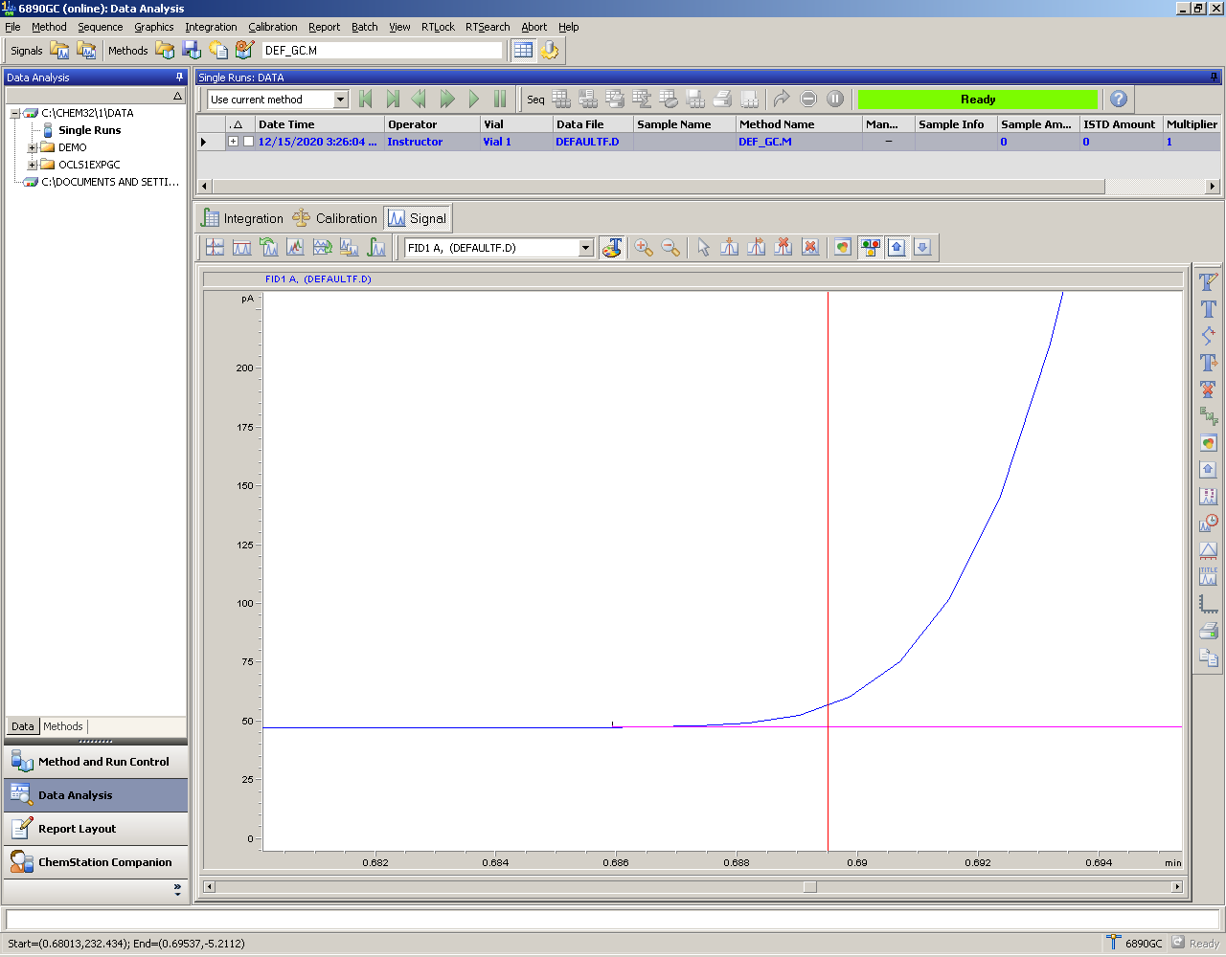
UREA TESTING
MCR DEC 15 2020
41.4

Linear Vel
36.2
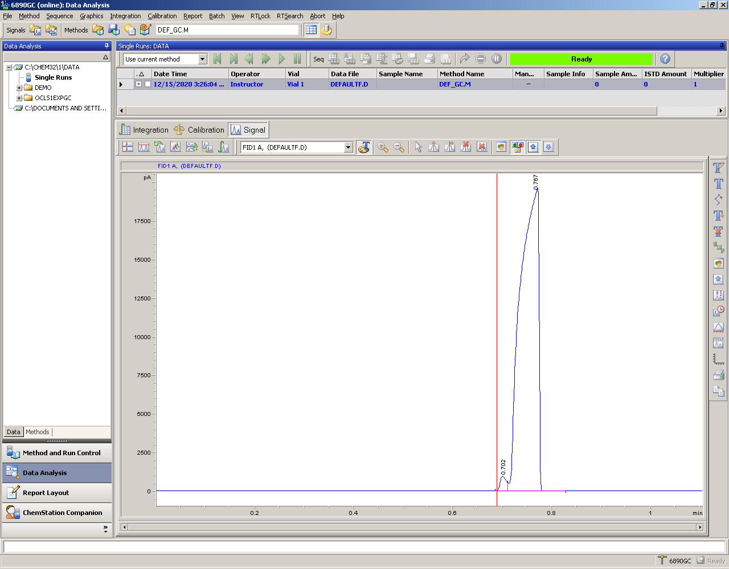
Flow
1.3

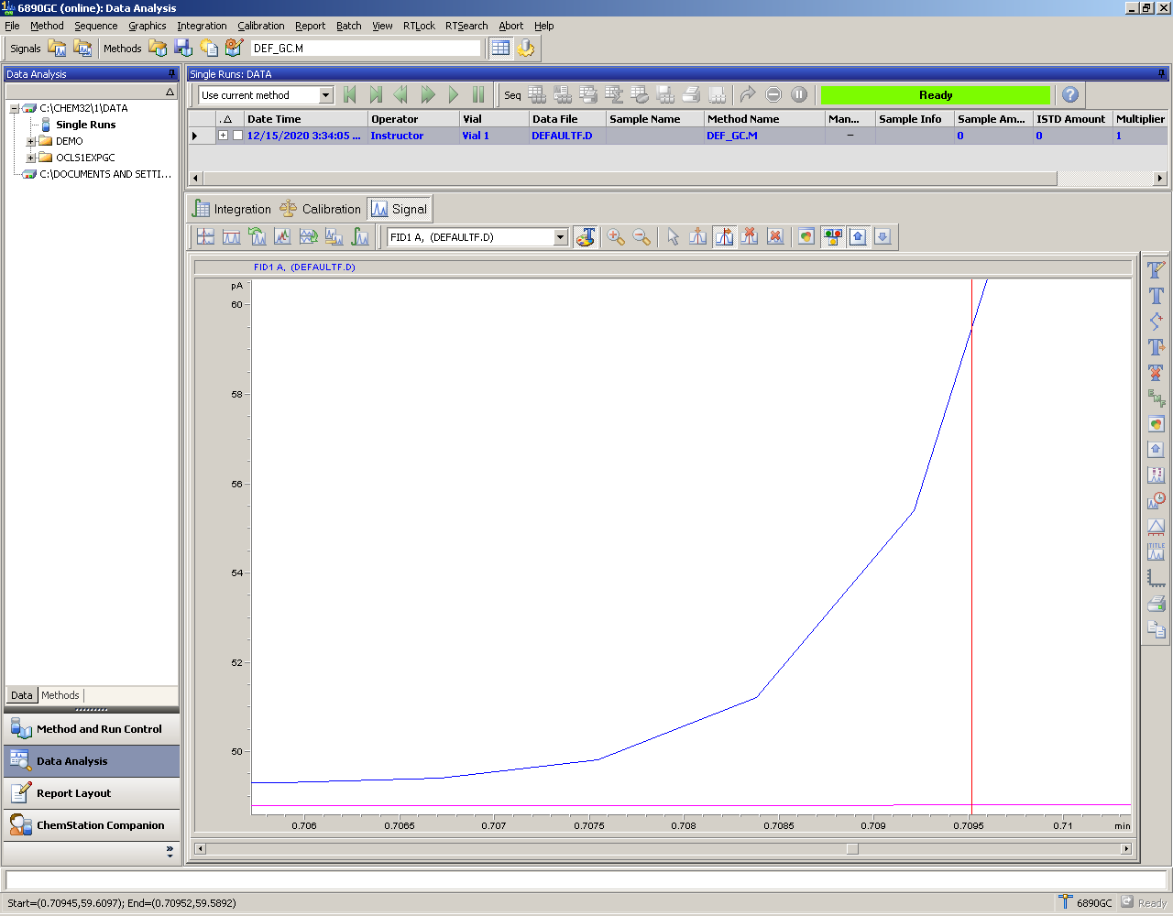
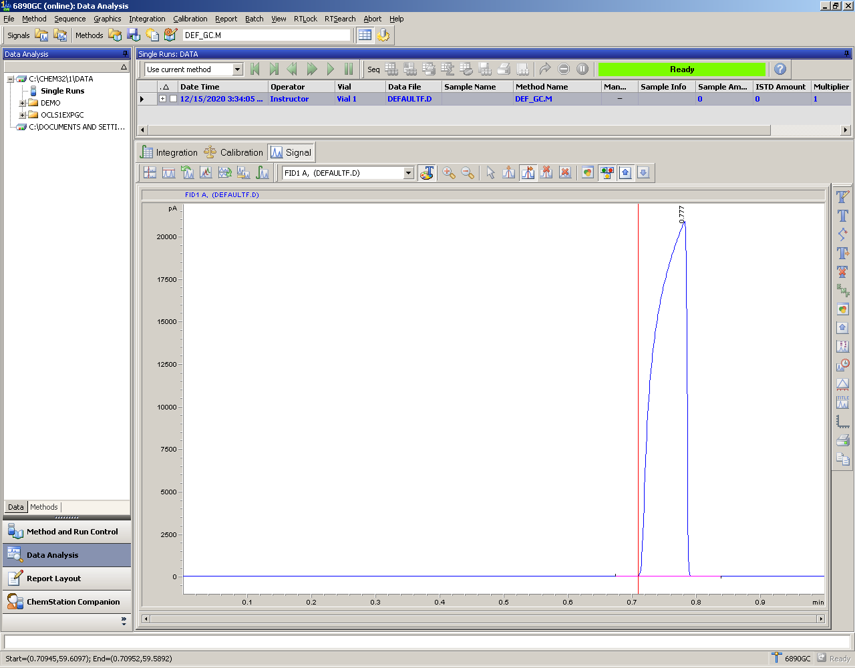
MCR DEC 15 2020
42.5

Linear Vel
35.3

Flow
1.26

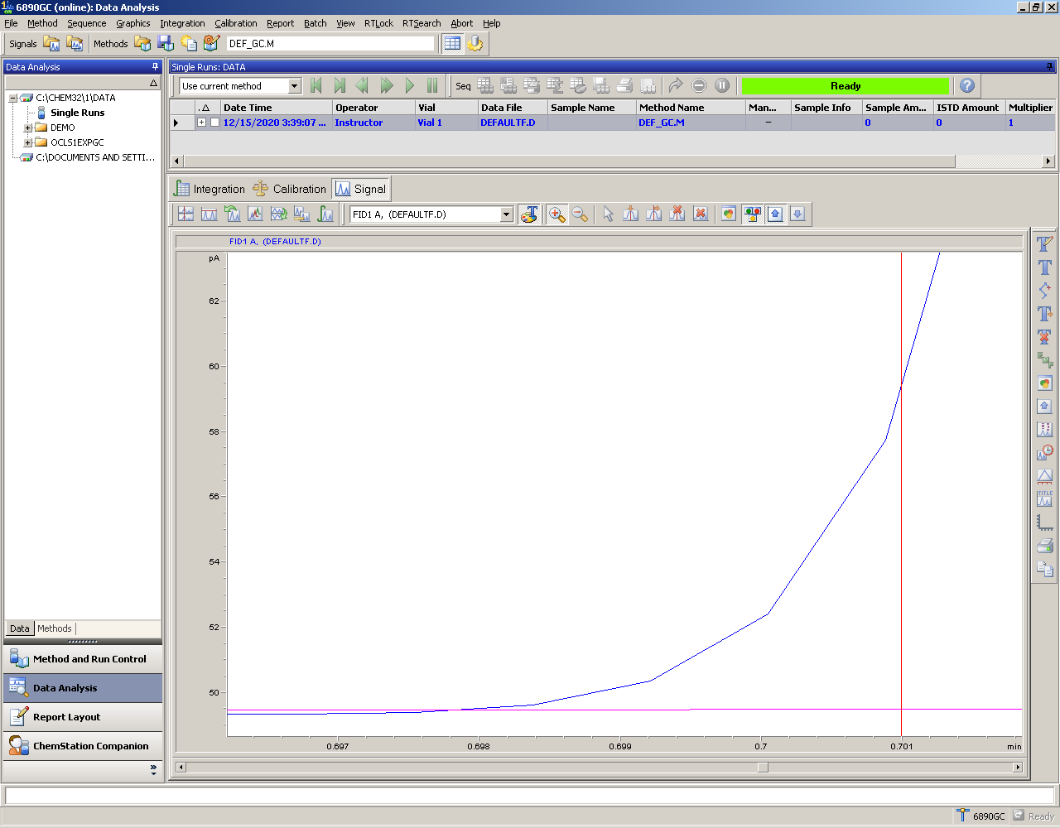

MCR DEC 15 2020
42.1

Linear Vel
35.6

Flow
1.27


TEST ID
A

ACQUA DI GIO TESTING
No MCR testing

TEST ID
A

1-2 min

2-3 min

3-4 min

4-5 min

5-6 min

6-7 min

2-7 min

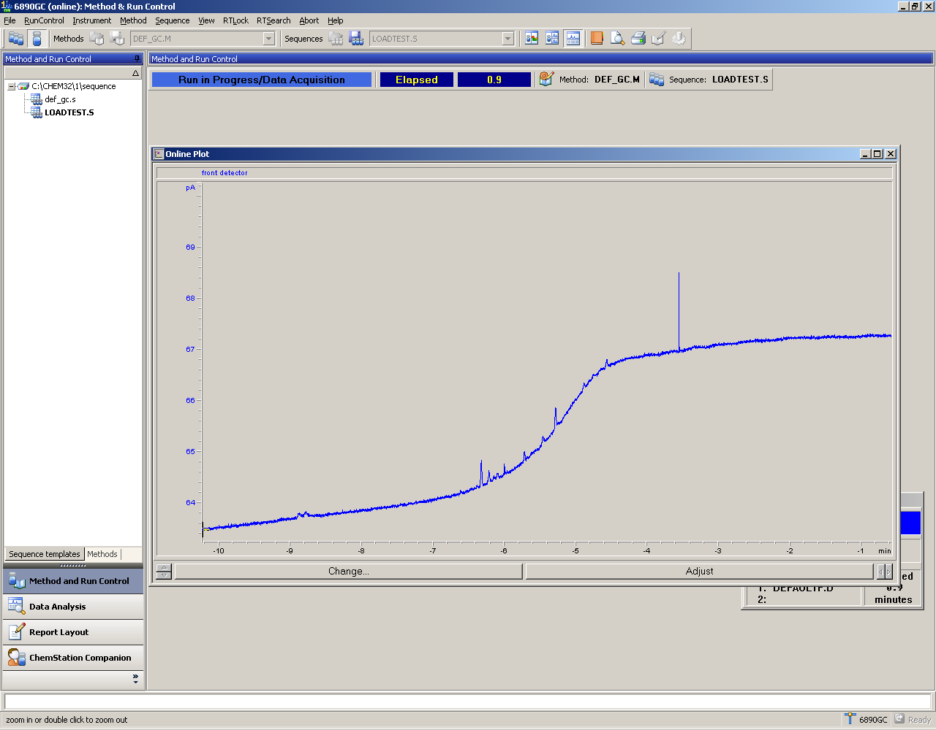
INLET
BAKEOUT

TEST ID
B

1-2 min

2-3 min

TEST ID
C

Overview

1-2 min

2-3 min

3-4 min
(Large peaks)

3-4 min
(small peaks)

4-5 min
(large peaks)

4-5 min
(small peaks)

5-6 min
(large peaks)

5-6 min
(small peaks)

6-7 min
(large peaks)

6-7 min
(small peaks)

7-8 min

